Race Results
ROUND OF 32 | ROUND OF 16 | QUARTERS | SEMIS
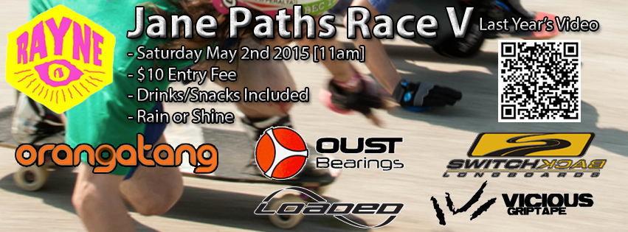
(2) Lahey
Mundi
 | Mundi
 | (23) Shawn P
(27) Big Tone
(23) Shawn P
 |  | Mundi
 |  | (20) Brady
(20) Brady
(19) DJ
 | (20) Brady
 | (11) Aaron Dodson
(11) Aaron Dodson
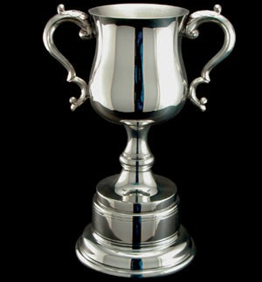
(14) Patrick Schwets
 |  |  | (20) Brady
 |  |  | (3) Sean Malto
(3) Sean Malto
(12) Matthew Mcnabb
 | (3) Sean Malto
 | (5) Logan
(7) Roman Robaza |  |  |  | CHAMPIONSHIP
(5) Logan |  |  |  | GOLD
 |  | (3) Sean Malto |  | (3) Sean Malto
 |  | (4) Matt K |  | (10) Jon Norman
(25) Chris |  |  |  | SILVER
(22) Dan Jay
 | (25) Chris
 | (4) Matt K
(4) Matt K |  |  |  | FINAL
(9) Alex |  |  |  | (10) Jon Norman
 |  |  |  | (3) Sean Malto
 |  |  |  | (21) Flannigan
(29) Giranamo |  |  |  | (20) Brady
Farough |  |  |  | RESULTS
 | (29) Giranamo
 | (1) Eaglechild
(1) Eaglechild
(26) Jeff Hooper |  |  |  | BRONZE
 |  | (29) Giranamo |  | (20) Brady
 |  | (21) Flannigan |  | (21) Flannigan
(21) Flannigan |  |  |  | 4th
(18) Evan Stott |  |  |  | CONSOLATION
 | (21) Flannigan |  |  | FINAL

 | (0) Jason Bull
(6) Sam Flint
(0) Jason Bull
 |  |  | (21) Flannigan
 |  |  | (10) Jon Norman
(10) Jon Norman
(13) Tad Pfupa
 | (10) Jon Norman
 | (8) Tim Smith

(24) Ray
(8) Tim Smith
 |  | (10) Jon Norman
 |  | (16) Eric Mroz
(16) Eric Mroz
(28) Joey
 | (16) Eric Mroz
 | (15) James
(17) Ben Harsons
(15) James

